All contacts
3D Maps Tours This workbook has 3D Maps tours available. Open 3D Maps to edit or play the tours.
Instructions to use 3d map | Contact ID | First Name | Last Name | Suburb | Postcode | Associated Company ID | Associated Company
 | 38401 | Stacey Kennedy |  | Bibra Lake | 6163
 | 37351 | Thaleia |  | Joondalup | 6027
 | 36301 | Paula |  | Butler | 6036
 | 32501 | Des |  | Champion Lakes | 6111
1 : Click On Insert | 31401 | Richa |  | St James | 6012
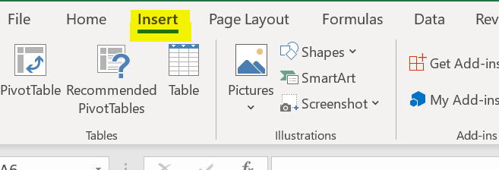
 | 27551 | Eileen Lyn norris |  | Kwinana | 6167
 | 25601 | Hineata |  | Australind | 6233
 | 25051 | Traci italiano |  | Mundaring | 6073
 | 24851 | Whata |  | Busselton | 6280
 | 21051 | Paul |  | Trigg | 6029
 | 21001 | Rosalie Williams |  | Balga | 6061
 | 20951 | Michelle Fletcher |  | Huntingdale | 6110
2 : Click On 3D Map | 20701 | Caroline Mitchell |  | Midland | 6056
 | 20601 | Maria Smith |  | Rivervale | 6103
 | 20501 | Muharem |  | Fremantle | 6160
 | 20451 | Loni Morrison |  | Perth | 6001
 | 20351 | Marjorie Thorpe |  | Yokine | 6060
 | 20151 | Janette Fear |  | Champion Lakes | 6111
 | 20101 | Faye Watts |  | Kiara | 6054
 | 20051 | Torrian Daglas |  | Harvey | 6220
3 : Click On Tour 1 | 19901 | Natika |  | Gosnells | 6110
 | 19801 | Jung Cho |  | Inglewood | 6052
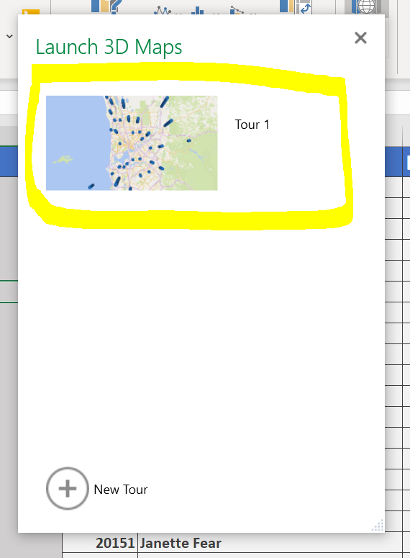
 | 19501 | Marlene |  | Wellard | 6170
 | 19351 | Bee Goh |  | Ballajura | 6066
 | 19301 | Helen Bitter | Bitter | Wongan Hills | 6603
 | 19251 | Lily Sebestin | Lily | Canning Vale | 6155
 | 19201 | Leanne |  | Henley Brook | 6055
 | 19101 | Ann |  | North Perth | 6006
 | 19001 | Paul Andrew Meyer |  | Aveley | 6069
 | 18551 | William Riley Washington | Riley Washington | Willagee | 6156
 | 18501 | Cherryl mills |  | Ellenbrook | 6069
 | 18451 | Lavenia | Murugiah | Banskia Grove | 6031
 | 18351 | Gordon Dolan | Dolan | Butler | 6036
 | 18301 | Denise O’Malley |  | Padbury | 6025
 | 18251 | mandy |  | Burswood | 6100
 | 18201 | Vivienne Rintoul |  | Clarkson | 6030
 | 18151 | Alec |  | BAYSWATER | 6053
 | 18101 | Joyce mountford |  | TWO ROCKS | 6037
 | 18051 | Helene Siegmund |  | CLAREMONT | 6010
 | 17851 | Phil Gorman |  | Champion Lakes | 6111
You will see the 3D Map like this | 17751 | Victoria Moule |  | Inglewood | 6052
 | 17701 | VICKI |  | Warwick | 6024
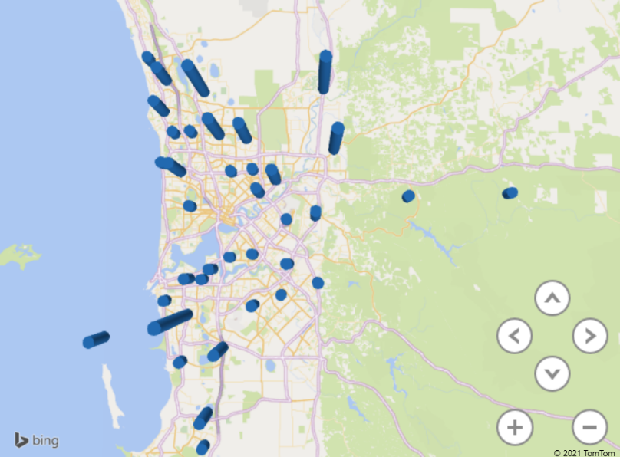
 | 17451 | Marie Plant |  | Erskine | 5422
 | 17351 | Carol |  | DIANELLA | 6059
 | 17301 | Brian Sutton |  | Waroona | 6215
 | 17251 | Vesna lee |  | KAMBALDA EAST | 6442
 | 17051 | Sandra | Lee Schraven | Ellenbrook | 6069
 | 17001 | Nannett miller | Miller | COODANUP | 6210
 | 16951 | Annita Marie Wedding |  | STRATTON | 6056
 | 16901 | Stephen Leszczynski |  | Butler | 6036
 | 16801 | Barbara Winikerei |  | Padbury | 6025
 | 16751 | Lara Leeanne Holper |  | Henley Brook | 6055
 | 16701 | Peta Richardson |  | STRATTON | 6056
 | 16651 | Georgie |  | CHURCHLAND | 6018
 | 16601 | Leeanne | Plummer | PERTH | 6000
 | 16551 | Jackie |  | Landsdale | 6065
 | 16501 | Annette Richardson | Richardson | Jindalee | 6036
Note : You should have Excel 2016 and Internet connection | 16451 | Mark ormesher |  | BOBALONG | 6320
 | 16401 | James |  | Seville Grove | 6112
 | 16301 | Sharyn |  | Aveley | 6069
 | 16251 | Leigh Willmott |  | CANNING VALE | 6155
 | 16201 | Chanel | Cope | BALLAJURA | 6066
 | 16101 | Bec Weller |  | SECRET HARBOUR | 6173
 | 16051 | Corlette Paans |  | Palmyra | 6157
 | 16001 | Colleen |  | Palmyra | 6157
 | 15951 | Judith Ralston |  | SOUTH LAKE | 6164
 | 15901 | Selina |  | Coolbellup | 6163
 | 15851 | Tim | Heathwood | perth | 6000
 | 15801 | Andrew Reilly |  | Mirrabooka | 6061
 | 15601 | Sergey | Afanasiev | Seville Grove | 6112
 | 15501 | Kyramae | Broughton | KAMBALDA EAST | 6442 | 6883810569 | Kalgold
 | 15401 | Jacqueline Iddon Jackii |  | Kardinya | 6163
 | 15351 | Suzanne Husking | Husking | Ballajurra Western Australia | 6066
 | 15301 | Tony gowers | Gowers | Byford | 6122
 | 15251 | Felicia | Burgess | Kiara | 6054
 | 15201 | Nadine |  | Merriwa | 6030
 | 15151 | Sarah | Ngawaka | Padbury | 6055
 | 15051 | Zony marcelo | Marcelo | Wilson | 6107
 | 14951 | SHERYL Baxter |  | Alexander Heights | 6064
 | 14651 | Shane |  | HighWycombe | 6057 | 6853771385 | slwtransport.com
 | 14601 | Ana cardoso |  | Success | 6164
 | 14501 | Jody peach |  | COOLOONGUP | 6168
 | 14151 | Olive |  | Alexander Heights | 6064
 | 14101 | Teresa Clemente |  | ALKIMOS | 6038
 | 14051 | Michael loveridge |  | Port Pirie SA | 5540
 | 14001 | Jacqueline Brown-Tucker |  | Baldivis | 6171
 | 13851 | Murray Byrne |  | Carlisle | 6101
 | 13701 | Michelle Beckett |  | CLOVERDALE | 6105
 | 13651 | Heather Marie Allen |  | PERTH | 6000
 | 13601 | Michelle MacRae |  | HALLS CREEK | 6770
 | 13501 | Mike Jones |  | Albany | 6330
 | 13451 | Linda Trott |  | PERTH | 6000
 | 13401 | Veronica rodricks | Rodricks | St. James, Perth | 6102
 | 13351 | Marie | Ngani | Maddington | 6109
 | 13301 | Philomena | Wilson | PARMELIA | 6167
 | 13251 | Pamela |  | Hillarys | 6025 | 6821047901 | HOSTAWAY PTY LTD ABN 47 818 013 005
 | 13201 | Elaine Scoon | Marino | Medina | 6167
 | 13001 | Marlene | Lucas | Yangebup | 6164
 | 12901 | Tamarii | Mchugh | BILINGURR | 6725 | 6809969028 | MercyCare
 | 12751 | Barbara | Bell | EMBLETON | 6062
 | 12651 | Lionel Sadlier |  | Collie | 6225
 | 12551 | Tia | Mitchell | BURNS BEACH | 6028
 | 12451 | John | Rafferty | Treeby | 6164
 | 12401 | Nola Blake |  | Donnybrook | 6239 | 6792011153 | Westnet
 | 12251 | Declan O’Leary | O'Leary | Ridgewood | 6030
 | 12201 | Liz | Smartt | Thornlie | 6108
 | 12151 | David | Creamer | COOGEE | 6166 | 6782510600 | theartoffire.com.au
 | 11951 | Chris Huggins |  | TWO ROCKS | 6037
 | 11901 | Vanessa | Lonsdale | ALLANOOKA | 6525
 | 11801 | Ann |  | Inglewood | 6052
 | 11751 | Kylie Storm |  | Middle Swan | 6056
 | 11701 | Sindee |  | Upper swan | 6069 | 6776301578 | Chokeby Road
 | 11651 | Francine Kickett |  | Bibra lake | 6163
 | 11501 | Frances Mattioli |  | Woodlands8 | 6018
 | 11351 | Deborah Davidson |  | COOLOONGUP | 6168
 | 11301 | Kayleen Cronin |  | Lakelands | 6180
 | 11251 | Hazel |  | Lynwood | 6147
 | 11201 | Carol Knuckey |  | HIGH WYCOMBE | 6057 | 6764018279 | Amnet Broadband
 | 10951 | An | Rumens | WANNEROO | 6065
 | 10901 | Leeanne Elizabeth | Alexander | Armadale | 6112
 | 10851 | George Kyriakos |  | HANNANS PO | 6433
 | 10701 | Peter | Hill | Busselton | 6280
 | 10551 | Sambo Dasuki |  | Boston | 5607
 | 10501 | Peta McCombe |  | Martin | 6110
 | 10401 | Kay | Osborne | Cadoux | 6466
 | 10251 | Patricia | Robinson | Ascot | 6104
 | 9951 | Carolyn | Roki | Beverley | 6304
 | 9851 | Linda | Spence | Harvey | 6220
 | 9801 | Marianne |  | Landsdale | 6065 | 6735984667 | bigond.com
 | 9751 | Kelli Ann | Smith | COOLOONGUP | 6168
 | 9651 | Trudy Hayes |  | West Perth | 6005
 | 9601 | Lois |  | West Perth | 6005
 | 9351 | Kymmy finch |  | Heathridge | 6027
 | 9301 | Ellen Poole |  | BAYSWATER | 6053 | 6730774584 | WorkCover WA
 | 9251 | Tina |  | Landsdale | 6065
 | 9101 | Caroline | Laden | Huntingdale | 6110
 | 9051 | Julie McNeill | Mcneill | SCARBOROUGH | 6019
 | 8951 | Owen | Quigley | Golden Bay | 6174
 | 8901 | Barb |  | Upper swan | 6069
 | 8801 | Robin Horlin |  | High Wycombe | 6057
 | 8751 | Christine Rosenthal |  | Baldivis | 6171
 | 8601 | Mercia |  | Singleton | 6176
 | 8501 | Gayle |  | Roleystone | 6111
 | 8401 | Erkan |  | Como | 6152
 | 7851 | Patrice mouckala | Mouckala | Harrisdale | 6112
 | 7801 | Kellie | Ross | Marangaroo | 6064
 | 7751 | Elise | Webb | Marangaroo | 6064
 | 7701 | Linda Jones |  | BADGINGARRA | 6521
 | 7651 | Annette | Rickard | Wembley | 6014
 | 7601 | William Edward Mcgeachy |  | perth | 6000
 | 7551 | Arna Morris |  | Beachlands Geraldton WA | 6530
 | 7351 | Sue |  | Perth | 6000
 | 7301 | Ahmad Haqqani |  | Gosnells | 6110
 | 7201 | Augusto |  | Champion Lakes | 6111
 | 7101 | Manuel Ulloa | de Ulloa | Wilson | 6107
 | 7051 | Ian Tepuke |  | Butler | 6036
 | 7001 | Barbara |  | Mt tarcoola geraldton | 6530
 | 6951 | stephen o'keefe |  | West Perth | 6005
 | 6901 | Shannon | Ricketts | HAMERSLEY | 6022
 | 6851 | Amanda | Clark | Gosnells | 6110
 | 6801 | Catherine Wyatt |  | GIRRAWHEEN | 6064
 | 6751 | Barbara Sabs | Saba | Balga | 6061
 | 6701 | Nancy Hikawai |  | Balga | 6061
 | 6651 | Katrina |  | Fremantle | 6160
 | 6551 | Angela Ovens |  | Kenwick | 6107
 | 6501 | Dianne cowen |  | Herron | 6211
 | 6451 | Carol Eddy |  | Baldivis | 6171
 | 6351 | Lisa brady |  | Yokine | 6060
 | 6301 | Kingsley Atwell |  | Bassendean | 6054
 | 6251 | Kevin Brown |  | Lockyer Albany | 6330
 | 6201 | Gwen Pendrey |  | Preston | 4800
 | 6101 | Tamai Russell |  | Lynwood | 6147
 | 6051 | Tony tekoronga |  | Gosnells, W A | 6110
 | 6001 | Gabrielle Cook |  | CUNDERDIN | 6407
 | 5951 | Marianne | Cable | Kiara | 6054
 | 5901 | Brenda Murray | Murray | Waroona | 6215
 | 5851 | Jay Eddwards |  | Baldivis | 6171
 | 5801 | Natalie Woodward |  | Ballajura | 6066
 | 5751 | Gypsy Sheppard | Sheppard | Yanchep | 6035
 | 5701 | Sulaimi | Masnor | Gosnells | 6110
 | 5651 | Fanica |  | Ascot | 6104
 | 5601 | Tama-ate-toa |  | Gosnel | 6110
 | 5551 | Katie-Joy |  | Lynwood | 6147
 | 5501 | Azleah | Alpin | PERTH | 6000
 | 5451 | Susan Keane | Keane | APPLECROSS | 6153
 | 5401 | Jack Rameka |  | Bibra Lake | 6163
 | 5351 | Scott | Robertson | Joondalup | 6027 | 6656775729 | The West Australian
 | 5301 | Janeen | Nepia | LEEDERVILLE | 6007
 | 5201 | Kathryn Ocallaghan |  | CHERRY TREE POOL | 6395
 | 5151 | June | Warner | Woodlands8 | 6018
 | 5051 | Miram |  | Middle Swan | 6056
 | 5001 | Tina melding |  | Wilson | 6107
 | 4951 | Michael Possingham |  | Willagee | 6156
 | 4901 | Leanne mills | Rimsa | Champion Lakes | 6111
 | 4851 | Whetu Komene |  | Wanneroo | 6065
 | 4701 | James Alfred Crompton | Crompton | YANCHEP | 6035
 | 4651 | Tim gavin |  | Midland | 6056
 | 4601 | Leeane plummer |  | Perth | 6000
 | 4501 | Kathy Williams |  | Busselton | 6280
 | 4451 | Tracey | Oboh | Banksia Grove | 6031
 | 4351 | Debra flanagan | Row | Meadow Springs. | 6210
 | 4301 | Wanda Kovler |  | Joondanna | 6060
 | 4251 | Delys | Wheeler | Butler | 6036
 | 4201 | Mary Churchill |  | Coolbellup | 6163
 | 4151 | Miriama.WAIWIRI |  | Midland | 6056
 | 4001 | Christina |  | armadale | 6112
 | 3951 | mark Rosehow much for top dentures pl |  | doubleview | 6018
 | 3901 | Esther |  | Henley Brook | 6055
 | 3851 | mj gabelish |  | BEECHINA | 6556
 | 3801 | Teresa Foxton |  | MYAREE. | 6154
 | 3751 | Cathy Stott | Stott | COSSACK | 6720
 | 3701 | Merran Kohlberger | Kohlberger | Meadow Springs. | 6210
 | 3651 | Angelo Vocisano |  | Balajura | 6066
 | 3601 | Colleen Marcar |  | HighWycombe | 6057
 | 3551 | Martin Jewell |  | Dayton | 6055
 | 3501 | Kate Meredith |  | mt barker | 6324
 | 3451 | Marielle Miller |  | Lockyer Albany | 6330
 | 3401 | Coral |  | Lockyer Albany | 6330
 | 3351 | Josh | Di Angelo | Maddington | 6109
 | 3251 | Tracie |  | Quinns Rock | 6030
 | 3051 | Dev |  | Balga | 6061
 | 3001 | Annette |  | Champion Lakes | 6111
 | 2951 | Merryl Anne carter |  | Northam | 6401
 | 2851 | Wendy Carlyon | Carlyon | Balga | 6061
 | 2801 | Karen |  | BAYSWATER | 6053
 | 2751 | Maureena |  | Lockyer Albany | 6330
 | 2701 | Sonya Jones | Jones | Tapping | 6065
 | 2051 | marisha | Lombard | DUNCRAIG | 6023
 | 1901 | Julia glazier |  | Bibra Lake | 6163
 | 1703 | Maureen | Healy | Eden hill | 6054
 | 2601 | Ann | Morrissey | Safety Bay | 6169
 | 901 | Jarrod | Matthews | armadale | 6112
 | 851 | Elda | Rodrigues | Beaconsfield | 6162
 | 801 | June |  | Yokine | 6060
 | 751 | Azlan | Ahmad | Maddington | 6109
 | 701 | Deirdre |  | Upper swan | 6069
 | 601 | Jodie | Jenssen | Henley Brook | 6055
 | 551 | Cornelia Walker | Walker | APPLECROSS | 6153
 | 501 | Jim Barrow |  | CLAREMONT | 6010
 | 451 | Taryn Cunningham |  | Ledge point | 6043

